Sheet1
 | Document No. |  | Issue No. | Issue Date |  |  | Review and Replace Date |  | Authorised By
 | GFF131MC |  | 1 | 01.10.2019 |  |  | New Issue
 | Document Title |  | 12 MINI CHEDDAR & ONION FILLED JACKETS 216g
 | New product launch |  |  |  |  | Page |  | 1 of 1 | Magda Shah
Document amendments reason for change |  |  |  |  |  | Previous Issue Date |  | New Issue | Uncontrolled copy unless signed original

CVPSB-R1TEB |  | BOOTHS - XMAS |  |  | 12 MINI CHEDDAR & ONION FILLED JACKETS 216g
STEP 1 |  |  |  | STEP 2
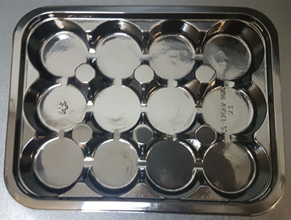 |  |  |  | 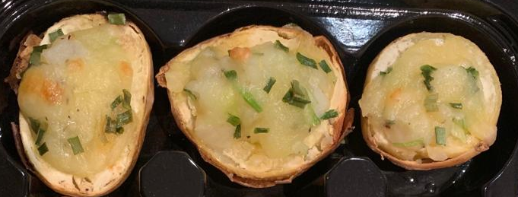

Tray: C5-12CAV-RND (PKHOL001-03) |  |  |  | 12 x Mini Cheese & Onion Potato Skin (GFF287R) 18g
Film: ME410A Antifog WELD seal (PKPRO001-12) (PROMENS)
STEP 3 |  |  |  |  |  | STEP 4


DEFROST DAY + 14 DAYS

Total Weight: 216g

ALLERGY ALERT: MILK

